Criteria(CCF)
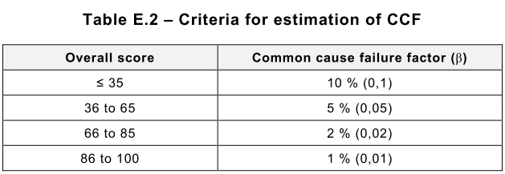
Criteria for estimation of CCF

Item | Reference | Score | Scoring | Comment
1. Separation / Segregation(15)
Are SRECS signal cables for the individual channels routed seperately from other channels at all positions or sufficiently shielded? | 1a | 5 | 5 | Two channels are seperated from each other.
Where information encoding/decoding is used, is it sufficient for the detection of signal transmission errors? | 1b | 10 | 10 | The CRC are used for serial communication(EtherCAT, SCI, CAN).
Are SRECS signal and electrical energy power cables separate at all positions or sufficiently shielded? | 2 | 5 | 5 | This module are designed dual-channel architecture.
If subsystem elements can contribute to a CCF, are they provided as physically separate devices in their local enclosures? | 3 | 5 | 0 | No, There is no enclosure in the subsystem.
2. Diversity / Redundancy(20)
Does the subsystem employ different electrical technologies for example, one electronic or programmable electronic and the other an electromechanical relay? | 4 | 8 | 0 | No, the same technology is used.
Does the subsystem employ elements that use different physical principles (e.g., sensing elements at a guard door that use mechanical and magnetic sensing techniques?) | 5 | 10 | 0 | No, the same physical priciple is used.
Does the subsystem employ elements with temporal differences in functional operation and/or failure modes? | 6 | 10 | 0 | No, there is no a difference.
Do the subsystem elements have a diagnostic test interval of ≤ 1 min? | 7 | 10 | 10 | Yes, each subsystems are monitoried per 5ms periodically
3. Complexity / Design / Application(20)
Is cross-connection between channels of the subsystem prevented with the exception of that used for diagnostic testing purposes? | 8 | 2 | 2 | This module are designed dual-channel architecture
4. Assessment / Analysis(5)
Have the results of the FMEA been examined to establish sources of CCF and have predetermined sources of CCF been eliminated by design? | 9 | 9 | 9 | Yes, CCF are eliminated.
Are field failure analysed with feedback into the design? | 10 | 9 | 9 | Yes, It reflects the know-how of the previous development model in the field.
5. Competence / Training(5)
Do subsystem designers understand the causes and consequences of CCF? | 11 | 4 | 4 | Subsystem all inputs are designed dual-channel
6. Environmental Control(35)
Are the subsystem elements likely to operate always within the range of temperature, humidity, corrosion, dust, vibration, etc. over with it has been tested, without the use of external environmental control? | 12 | 9 | 9 | Without the use of external environmental control, subsystem elements can operate.
Is the subsystem immune to adverse influences from EMI up to and including the limits specified in IEC 61326-3-1? | 13 | 9 | 9 | Yes, No influence
NOTE An alternative item (e.g. references 1a and 1b) is given in Table F.1 where it is intended that a claim can be made for a contribution towards avoidance of CCF from only the most relevant item. NOTE 2 Similar criteria can be derived for other technologies based on the same principles. | Total Score |  | 72

FMEA_Calc(Total)
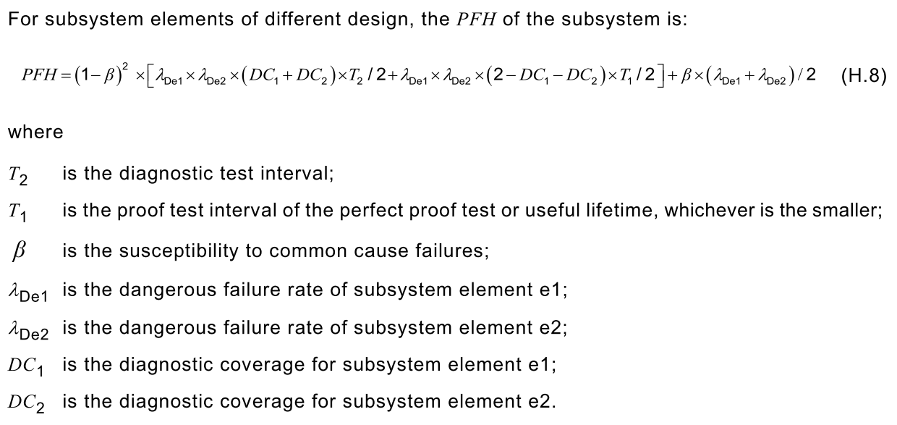
Safety Parameter Calculation
1. Calculating SFF
Channel |  | Block No. | Block Name | ∑λD | DC(%) | ∑ ΛS | ∑ λDD | ∑ λDU | SFF
Ch. 1 |  | C100 | MCU1(Ch.1) | 76.9600 | 99.0% | 82.6400 | 76.1904 | 0.7696 | 99.52%
 |  | C101 | Oscillator(Ch.1) | 5.4000 | 99.0% | 3.8000 | 5.3460 | 0.0540 | 99.41%
 |  | C102 | Temperature Sensor(Ch.1) | 1.8600 | 99.0% | 2.4400 | 1.8414 | 0.0186 | 99.57%
 |  | C103 | Brake Output(Ch.1) | 291.0600 | 97.8% | 99.5900 | 284.7744 | 6.2856 | 98.39%
 |  | C104_0 | OP-AMPs Iu, Iv(Ch.1) | 53.4800 | 99.0% | 56.1200 | 52.9452 | 0.5348 | 99.51%
 |  | C104_1 | OP-AMPs Iu, Iv(Ch.1) | 52.7550 | 99.0% | 55.1950 | 52.2274 | 0.5275 | 99.51%
 |  | C105 | OV/UV/OC Protection(Ch.1) | 40.1700 | 99.0% | 14.0000 | 39.7683 | 0.4017 | 99.26%
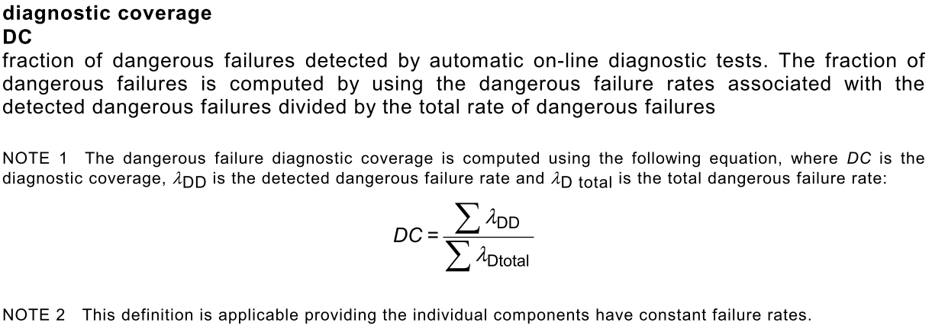
 |  | C106 | Power Regulator & Watchdog1(Ch.1) | 154.0600 | 99.0% | 26.9600 | 152.5194 | 1.5406 | 99.15%
 |  | C107 | OC Protection(Ch.1) | 32.3000 | 99.0% | 10.1000 | 31.9770 | 0.3230 | 99.24%
 |  | C108_0 | DIO: Buffer, Photo-Coupler & Photo-MOS(Ch.1) | 193.5400 | 99.0% | 23.3300 | 191.6046 | 1.9354 | 99.11%
 |  | C108_1 | DIO: Buffer, Photo-Coupler & Photo-MOS(Ch.1) | 185.1100 | 93.2% | 32.7000 | 172.4589 | 12.6511 | 94.19%
 |  | C108_2 | DIO: Buffer, Photo-Coupler & Photo-MOS(Ch.1) | 82.7500 | 99.0% | 13.3800 | 81.9225 | 0.8275 | 99.14%
 |  | C108_3 | DIO: Buffer, Photo-Coupler & Photo-MOS(Ch.1) | 140.1100 | 99.0% | 10.4400 | 138.7089 | 1.4011 | 99.07%
 |  | C108_4 | DIO: Buffer, Photo-Coupler & Photo-MOS(Ch.1) | 161.5100 | 92.0% | 26.1400 | 148.5459 | 12.9641 | 93.09%
 |  | C1xx | Non-Safety(Ch.1) | 0.8200 | 99.0% | 34.2800 | 0.8118 | 0.0082 | 99.98%
Ch. 2 |  | C200 | MCU2(Ch.2) | 74.9000 | 99.0% | 82.7000 | 74.1510 | 0.7490 | 99.52%
 |  | C201 | Oscillator(Ch.2) | 3.9200 | 99.0% | 2.4800 | 3.8808 | 0.0392 | 99.39%
 |  | C202 | Temperature Sensor(Ch.2) | 1.8600 | 99.0% | 2.4400 | 1.8414 | 0.0186 | 99.57%
 |  | C203 | Brake Feedback(Ch.2) | 37.7800 | 93.6% | 37.0200 | 35.3772 | 2.4028 | 96.79%
 |  | C204_0 | OP-AMPs Iv, Iw(Ch.2) | 53.4800 | 99.0% | 56.1200 | 52.9452 | 0.5348 | 99.51%
 |  | C204_1 | OP-AMPs Iv, Iw(Ch.2) | 52.4800 | 99.0% | 54.9200 | 51.9552 | 0.5248 | 99.51%
 |  | C205 | OV/UV/OC Protection(Ch.2) | 8.7700 | 99.0% | 4.4000 | 8.6823 | 0.0877 | 99.33%
 |  | C206 | Power Regulator & Watchdog1(Ch.2) | 57.9800 | 99.0% | 40.3400 | 57.4002 | 0.5798 | 99.41%
 |  | C207 | OC Protection(Ch.2) | 32.3000 | 99.0% | 10.1000 | 31.9770 | 0.3230 | 99.24%
 |  | C208_0 | DIO: Buffer, Photo-Coupler & Photo-MOS(Ch.2) | 171.0400 | 99.0% | 24.5300 | 169.3296 | 1.7104 | 99.13%
 |  | C208_1 | DIO: Buffer, Photo-Coupler & Photo-MOS(Ch.2) | 135.3600 | 93.7% | 30.3000 | 126.8064 | 8.5536 | 94.84%
 |  | C208_2 | DIO: Buffer, Photo-Coupler & Photo-MOS(Ch.2) | 82.6000 | 99.0% | 13.3800 | 81.7740 | 0.8260 | 99.14%
 |  | C208_3 | DIO: Buffer, Photo-Coupler & Photo-MOS(Ch.2) | 130.3600 | 99.0% | 8.0400 | 129.0564 | 1.3036 | 99.06%
 |  | C208_4 | DIO: Buffer, Photo-Coupler & Photo-MOS(Ch.2) | 151.7600 | 91.5% | 23.7400 | 138.8934 | 12.8666 | 92.67%
 |  | C2xx | Non-Safety(Ch.2) | 0.0200 | 99.0% | 14.9300 | 0.0198 | 0.0002 | 100.00%
Common (Ch.1/Ch.2) | Black Channel | C000 | EtherCAT Communication(Ch.1) | 53.4700 | 99.0% | 22.8300 | 52.9353 | 0.5347 | 99.30%
 |  | C001 | EtherCAT Communication(ZYNQ) | 22.7900 | 99.0% | 21.5100 | 22.5621 | 0.2279 | 99.49%
 |  | C002 | Serial Communication(RS485) | 1.7000 | 99.0% | 5.2500 | 1.6830 | 0.0170 | 99.76%
 | General System Control | C300 | Non-Safety(ZYNQ) | 325.4200 | 80.5% | 246.6300 | 262.0158 | 63.4042 | 88.92%
 |  | C301 | ZYNQ EtherCAT Oscillator | 9.3200 | 99.0% | 6.2800 | 9.2268 | 0.0932 | 99.40%
 |  | C302 | Encoder(RS485) | 39.1200 | 99.0% | 54.4800 | 38.7288 | 0.3912 | 99.58%
 |  | C303 | PWM, Servo ON & IPM FAULT BUFFER | 143.8800 | 64.8% | 27.9200 | 93.3012 | 50.5788 | 70.56%
 |  | C304 | Power Regulator & OC Protection | 37.7400 | 98.8% | 31.4600 | 37.2726 | 0.4674 | 99.32%
Total |  |  |  | 3099.9350 | 94.0% | 1312.9150 | 2913.4577 | 186.4774 | 95.77%

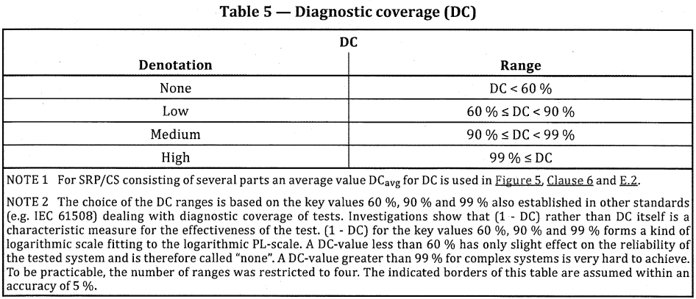
Ch.1 ∑λ(Lambda) |  |  | 1788.605000 | 1.788605E-06
Ch.2 ∑λ(Lambda) |  |  | 1311.330000 | 1.31133E-06
Ch.1 DCavg |  |  | 0.945152759
Ch.2 DCavg |  |  | 0.932604836
T1(proof test interval) : 100 years |  |  | 876,000 | T1 is the proof test interval of the perfect proof test or useful lifetime, whichever is the smaller.
T2(diagnostic test interval) |  |  | 1

2. Calculating MTTF, DCavg & PFH
CCF factor(β) |  |  | 2%
MTTFd(=1/Lambda)(Hour) |  |  | 322587.40909
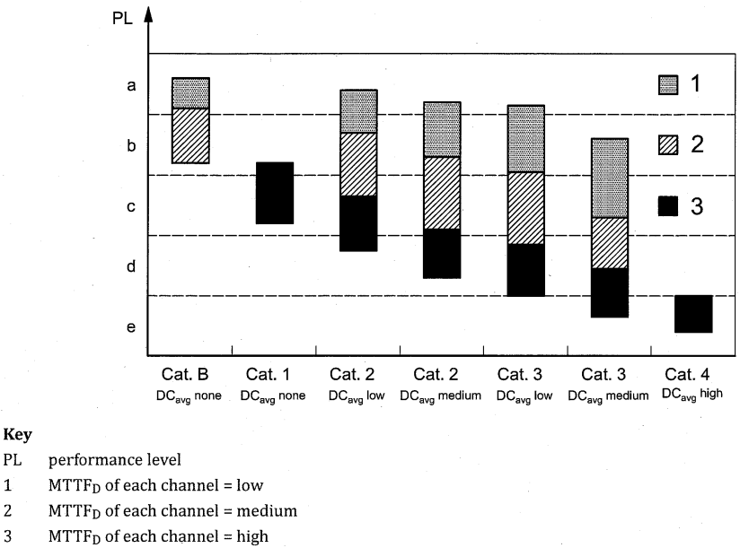
MTTFd(=1/Lambda)(Year) |  |  | 36.8250467
DCavg(%) |  |  | 93.98%
PFHD |  |  | 1.5160903973E-07

